CAGR vs GEOMEAN
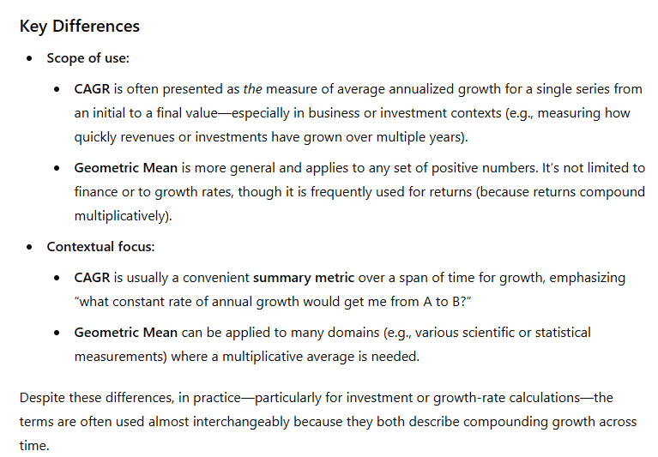
What is a Compound Annual Growth Rate (CAGR)?

Compound Annual Growth Rate is used to measure the average annual growth of an investment or quantity over a specified time period, assuming that growth is compounded from period to period.
Formally, if you have initial value V0 and final value Vn over n years, the CAGR is:

$$CAGR= {\left(\frac{V_{0}}{V_{n}}\right)}^{\frac{1}{n}} −1$$

You can interpret the CAGR as the single, constant annual rate at which the initial value would have grown to reach the final value each period (assuming steady compounding).

What is the geometric mean?

Geometric mean of series of numbers (x1, x2, x3, …, xn) is:

$$GM= {\left(x_{1} × x_{2}× …× x_{n} \right)}^{\frac{1}{n}}$$

In finance contexts, these numbers often take the form 1 + ri, where ri is the return (expressed as a decimal) in year i. Then the geometric mean of those yearly growth factors minus 1 would give
the annualized return over the entire period.

CAGR & the Geometric mean

CAGR and the geometrric mean are conceptually closely related. In fact, when you have a sequence of annual returns, the geometric mean of their growth factors (( 1 + r1)(1 + r2)…(1 + rn))^1/n - 1
is the same as the CAGR you would get if you started at some initial value and ended at a final value after apllying those returns each year.

Examples

YearGroupping | LastCloseDate | GrowthRate | CAGR by formula: | 12.51%
1979 | 107.9 | 0.00% | CAGR by formula2: | 12.51%
1980 | 135.8 | 25.86% | CAGR by formula3: | 12.51%
1981 | 122.6 | -9.72% | CAGR by factors: | 12.51% | <- with usage of geometric mean
1982 | 140.6 | 14.68%
1983 | 164.9 | 17.28% | Check:
1984 | 167.2 | 1.39%
1985 | 211.3 | 26.38% | StartPrice: | 107.9
1986 | 242.2 | 14.62% | End Price: | 1282.7 | OK.
1987 | 247.1 | 2.02%
1988 | 277.7 | 12.38%
1989 | 353.4 | 27.26%
1990 | 330.2 | -6.56%
1991 | 417.1 | 26.32%
1992 | 435.7 | 4.46%
1993 | 466.4 | 7.05%
1994 | 459.3 | -1.52%
1995 | 615.9 | 34.10%
1996 | 740.7 | 20.26%
1997 | 970.4 | 31.01%
1998 | 1229.2 | 26.67%
1999 | 1282.7 | 4.35%

It is worth mentioning that even though CAGR is CAnnualGT (annualized) we can use it with different time periods - keeping in mind that it won't be an annual CAGR.
Sometimes CMGR is used as in Compound Monthly Growth Rate.

